Sheet1
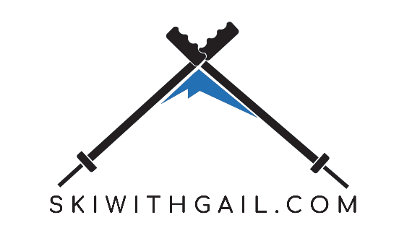
Package |  |  |  |  |  |  | INSERT NUMBERS
7 Nights over Christmas or New Years Week - Bed and Brakfast |  |  |  |  |  |  | HERE
€ 675.00 |  |  |  | If you require ski lessons fill in the number in the Ski School Column.
Child under 6 Years Old |  |  |  | Numbers |  |  | Ski School
€ 540.00 |  |  |  | Number of Adults | OVER 18 YEARS OLD | 2 | 1
PACKAGE INCLUDES |  | These COLOURS allow |  | Number of Youth | BETWEEN 18 AND 16 | 1 | 1
Transfers from and to Munich Airport |  | for USER INPUT |  | Number of Children | BETWEEN 6 AND 15 | 1 | 1
Ski Hire |  |  |  | Children under 6 |  | 0 | 0
Ski Pass | ROE | R18.90 |  |  | TOTAL PAX | 4 | 3
Assistance with ski school
Christmas/New Years Dinner (if Applicable) |  |  |  | PACKAGE TOTALS
Resort taxes | Adult | Youth | Child | Package Total : Adult | OVER 18 YEARS OLD | € 1071.50 | € 2143.00
Apres ski activities | Ski Hire | Ski Hire | Ski Hire | Package Total : Youth | BETWEEN 18 AND 16 | € 1003.00 | € 1003.00
Resort representative! Offering assistance and optional entertainment programme in the resort | € 120.00 | € 120.00 | € 56.00 | Package Total : Child | BETWEEN 6 AND 15 | € 868.50 | € 868.50
Ski guiding on selected days |  |  |  | Package Total Under 6 |  | € 596.00 | € 0.00
Ski lockers | Ski Pass | Ski Pass | Ski Pass
Pre departure and resort advice | € 276.50 | € 208.00 | € 137.50 | InCluding Ski School |  |  | € 630.00
PACKAGE EXCLUDES
International / Domestic flights | Ski School | Ski School | Ski School | FAMILY TOTAL |  |  | € 4644.50
Unspecified meals and beverages. | € 210.00 | € 210.00 | € 210.00 |  |  |  | R87781.05
Entertainment programme available in resort.
Travel insurance. | The totals refelectd in this document do NOT amount to a final quotation or any commitment to making a final booking.
Passport & visa costs. SA passport holders require a Schengen visa. Use of Temporary SA passports | Rather, it serves as an estimate indication as to what you could expect to pay at the current exchange rate.
is no longer permitted.
Items of a personal nature: Telephone call, gratuities etc.
SKI HIRE INCLUDES
4* Skis
Poles
Boots
Helmet
SKI PASS INCLUDES
284 KM's of Pisted skiing
Blue
Red
Black
Cannons
Lifts and Gondolas
SKI SCHOOL INCLUDES
5 Days Ski School in a class of up to 10

